Sheet1
LATEST NEWS OF THUNDER RANGERS 2
Dear members,
you have recently known that our team is hugely customized. The greatest change in the team
is that Farhan Hossain Tahsin has been expelled from the team. As a consequence, there is a
huge change in our team's judiciary, executive and legislative section too. Now, I'm going to
describe the change.
JUDICIARY
Judiciary is the greatest and the most powerful section in the team. In this section, there are
a prosecutor, magistrate and chief judge. At first I was the prosecutor, Rafid was the
magistrate and Farhan was the chief judge. But now its changed. Now, I will perform the
responsibility of the prosecutor and magistrate both. And, I have appointed our new chief
judge, as Farhan is expelled from our team. Our new chief judge is Tawsif Bashar(2020).
Though he is our new member, but he is officially recognized to be our chief judge. If anybody
wants to customize it, he will have to get 8 members out of 15 members in support of it. Then
it will be taken into consideration.
EXECUTIVE
Executive is the second biggest section in our team. It executes the laws created by
legislative. It has two members. I have also customized this section. In this section, the
members are Tawsif Bashar and Raihan Usuf.
LEGISLATIVE
Legislative is the section that creates every types of laws of the constitution in the team. In
this section, there are also two members. I have also customized this. The new members of
this section are Rafid-uz-zaman and Sabab Jahangir Rupom.
Before 4 months, our team's power distribution was so awful. Finally, I have fixed it in a
normal state. At present the power distribution is as follows:
1. Leader(Taisir Majumder and Sabab Jahangir Rupom)
2. Chief Judge(Tawsif Bashar)
3. Prosecutor(Taisir Majumder)
4. Co-leader(Rafid-uz-zaman)
5. Executors(Tawsif Bashar and Raihan Usuf)
6. Legislators(Rafid-uz-zaman and Sabab Jahangir Rupom)
So, members, you can see that our team is now greatly changed. Our power distribution is
also customized. Actually, 2020 is a year of customization for us. As this customization is
done today, 25th October is officially recognized as customization day only for
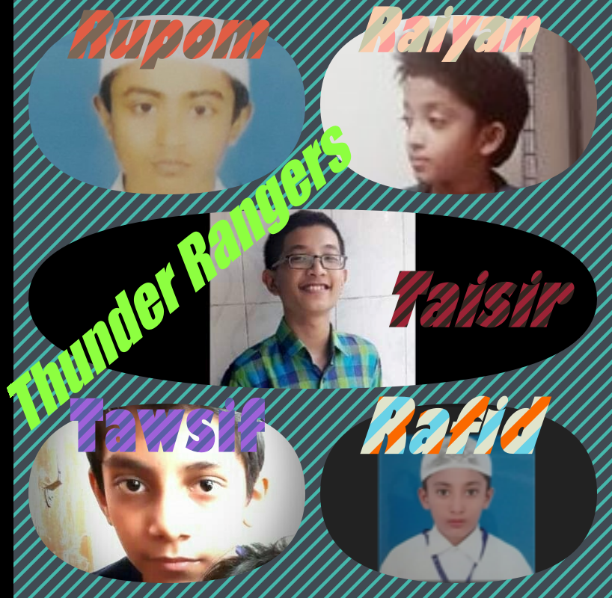
THUNDER RANGERS.

